fig3
Figure 3
A Variety of Arrangements May Be Used to Compensate 401(k) Service Providers
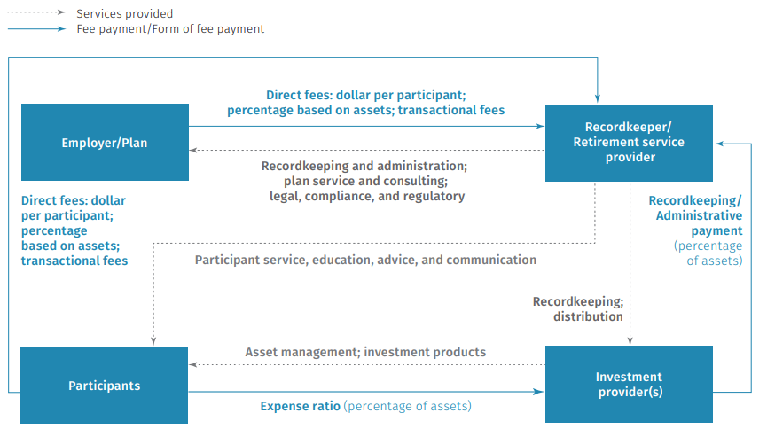

Note: In selecting the service provider(s) and deciding the cost sharing for the 401(k) plan, the employer/plan sponsor will determine which combinations of these fee arrangements will be used in the plan.
Source: Investment Company Institute

